Data Visualisations
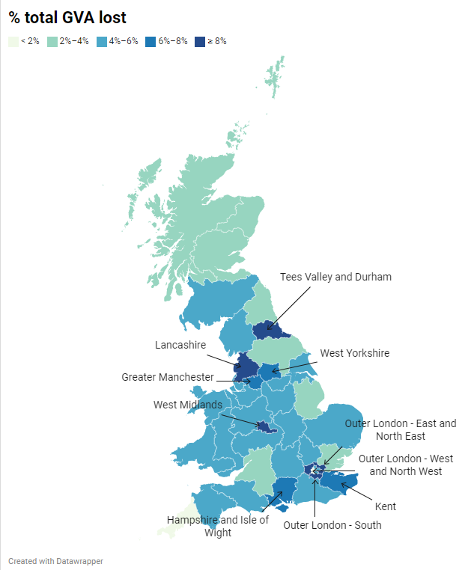
9.54% | 32.57%
9.24% | 27.00%
8.35% | 35.57%
8.24% | 37.71%
7.69% | 28.79%
7.59% | 38.67%
6.85% | 24.14%
6.24% | 35.80%
5.94% | 27.77%
5.83% | 32.30%
5.20% | 24.31%
5.18% | 20.94%
5.11% | 34.60%
5.09% | 24.33%
5.05% | 27.44%
5.04% | 22.23%
5.03% | 22.29%
5.03% | 41.75%
4.49% | 25.17%
4.25% | 21.60%
4.24% | 32.14%
4.21% | 33.25%
4.13% | 22.75%
4.13% | 34.75%
4.06% | 27.83%
4.04% | 26.30%
3.90% | 28.73%
3.70% | 24.50%
3.66% | 21.67%
3.21% | 19.57%
3.20% | 26.14%
3.15% | 38.50%
3.07% | 22.83%
3.00% | 16.00%
2.47% | 20.55%
2.28% | 23.43%
2.01% | 20.00%
2.00% | 23.50%
1.21% | 24.17%
0.47% | 22.00%

Interactive map visualisation published at: https://datawrapper.dwcdn.net/zLI0V/1/

Note: the top 10 local economies - in terms of highest % of GVA lost - are labelled on the map.

